Sheet1
A retail chain wants to start a central warehouse to supply groceries to 6 major cities |  |  |  |  | Y-Axis
mum, kol, chennai, blore, hyd, kochin
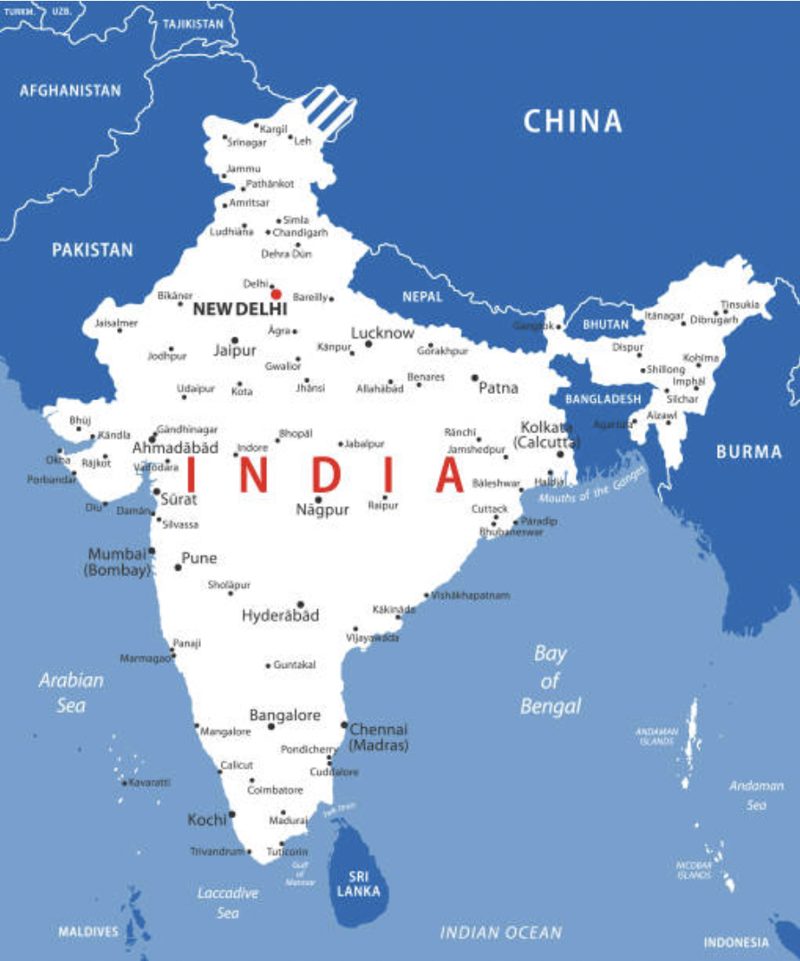
the daily tonnage of requirement at different cities is given below
 | demand
Mumbai | 50
Kolkata | 60
Hyderabad | 30
Chennai | 45
Trivandram | 20
Bengaluru | 40

where would u locate the warehouse, if the current coordinates of the 6 cities are as below.
 |  | x | y
Mumbai |  | -6 | 6
Kolkata |  | 7 | 8
Hyderabad |  | 0 | 1
Chennai |  | 2 | -3
Trivandram |  | -3 | -5
Bengaluru |  | -1 | -4 | X-Axis |  | X-Axis

Question : Where would they locate the warehouse?

 |  |  |  |  | Y-Axis

